Sheet1
Main Menu
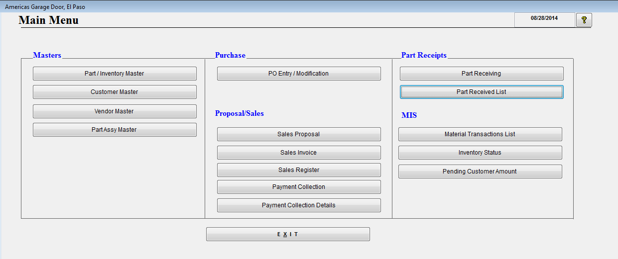

Part Master
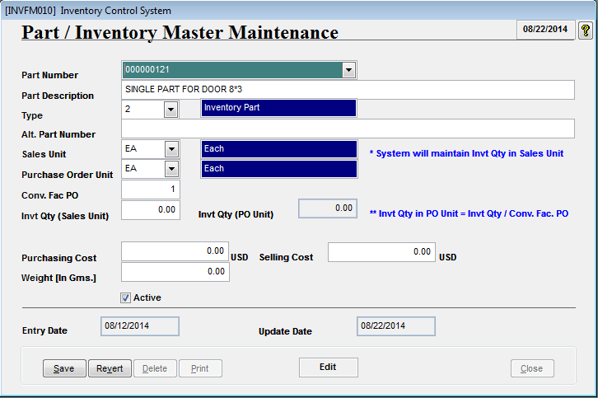
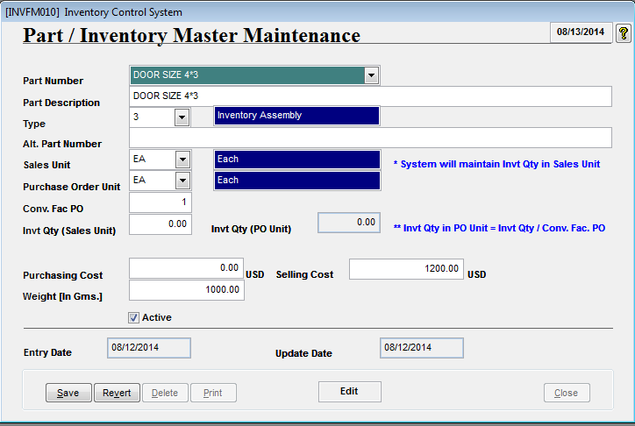

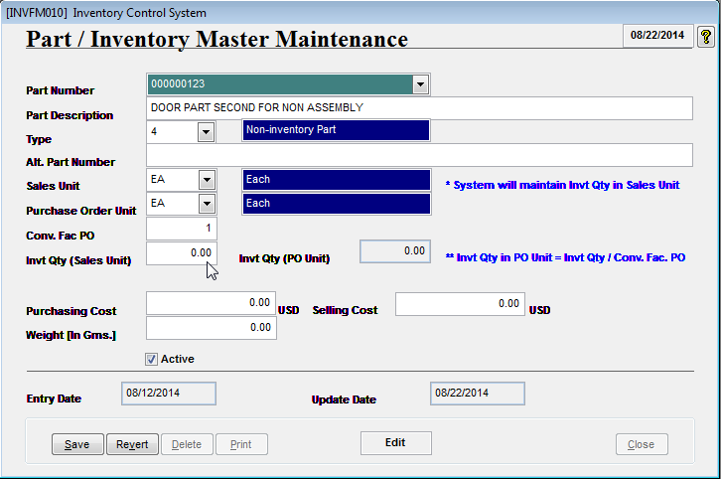

Define the Part as Inventory Assembly
Define few others Part as non Inventory Assy.
Define few others Part as non Inventory Assy.

Initial Invt. Qty is Zero.
Initial Invt. Qty is Zero.

Customer Master

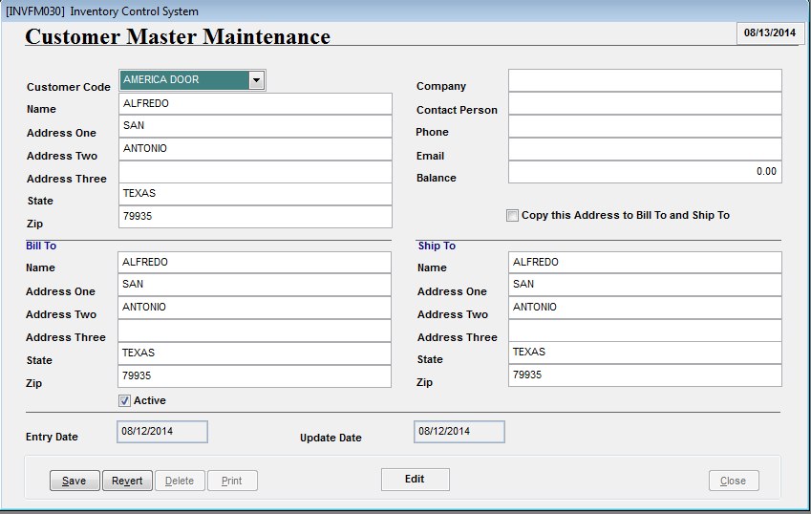

Supplier Master
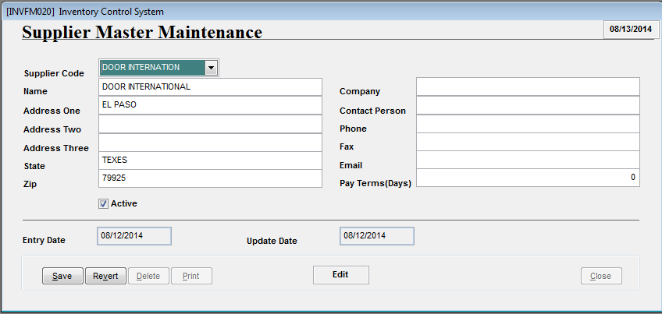

Part Assy Master
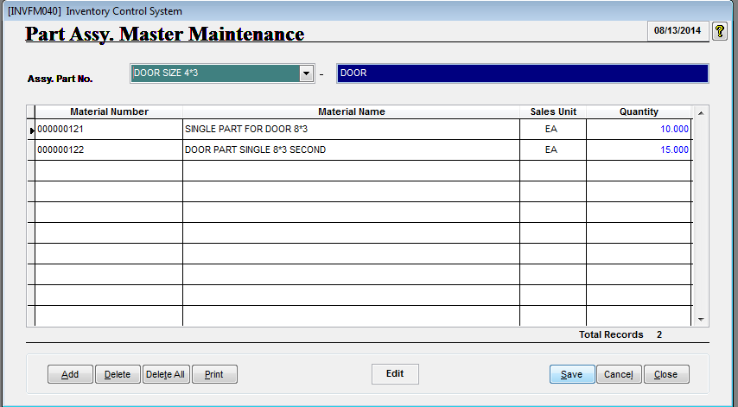

Choose the Inventory Assembly Part and associate some other Parts to Build Assy.

Purchase Order Creation

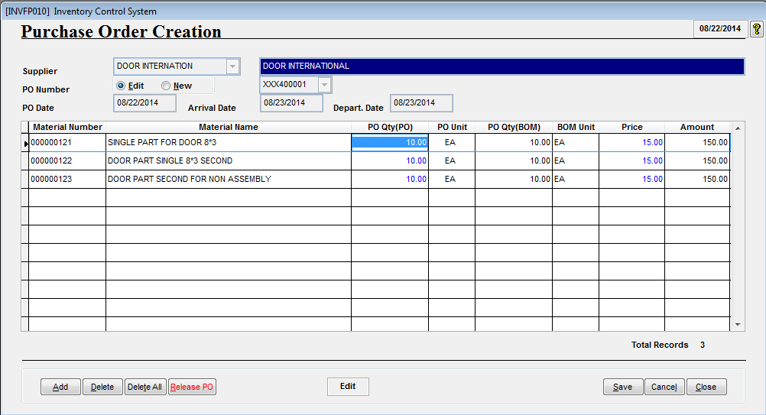

Create the Purchase Order of Parts to Supplier.

After save, Release the PO.

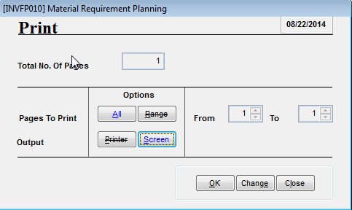

PO Sheet will be Displayed/Printed

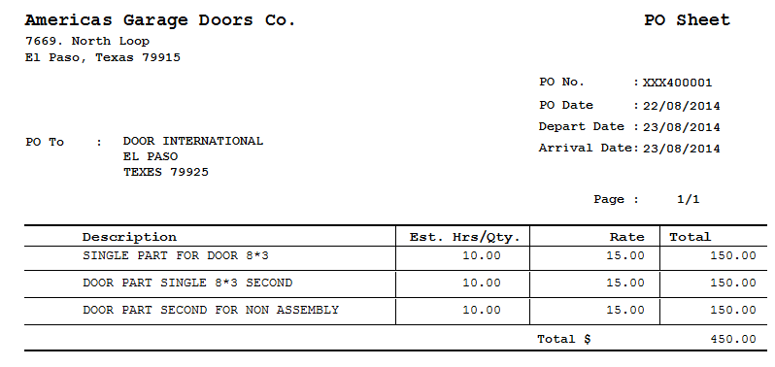

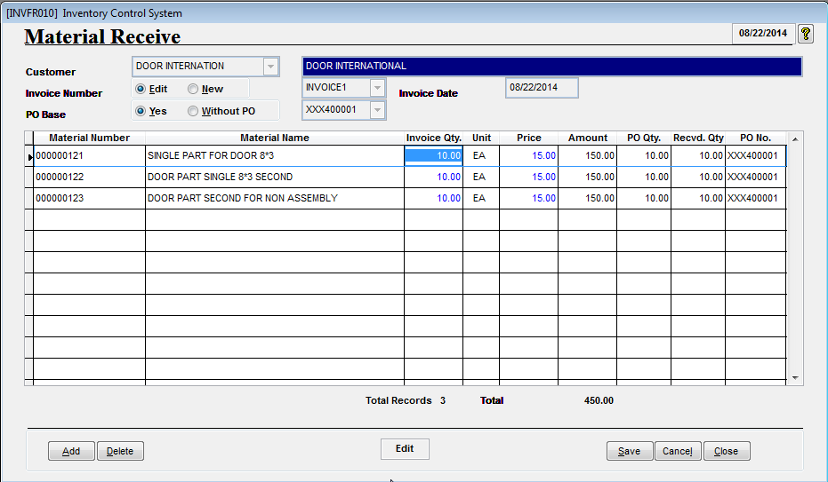
Receive the Parts against PO Number released above..
Parts can also be received without creating the PO.

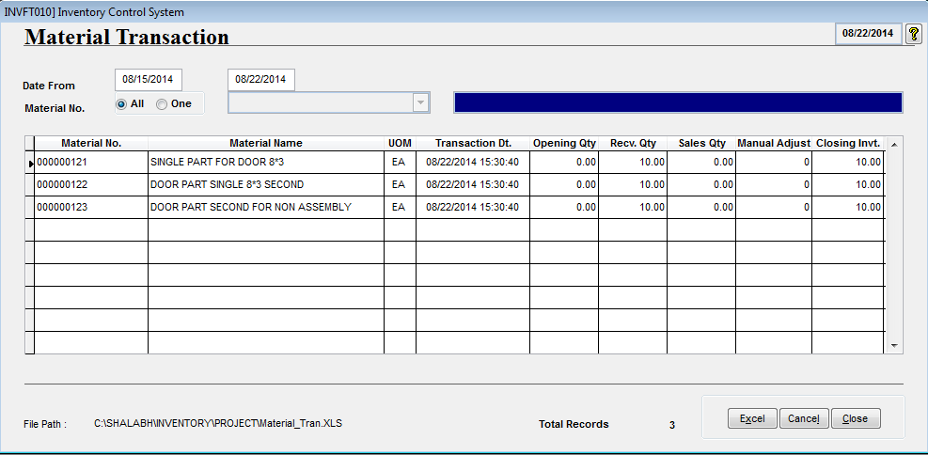
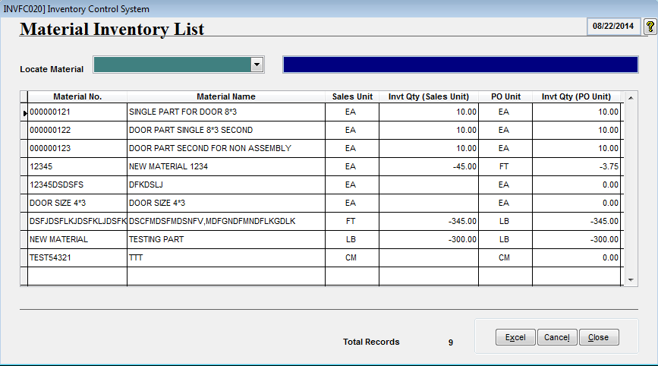

Part wise Current Inventory can also be checked using Material Inventory List program
After Receiving the Parts, Inventory is increased and it can be tracked using Material Transaction screen.
It show Date and Time wise Opening Inventory, Transaction Done and Closing Inventory.

Part Receipt Details

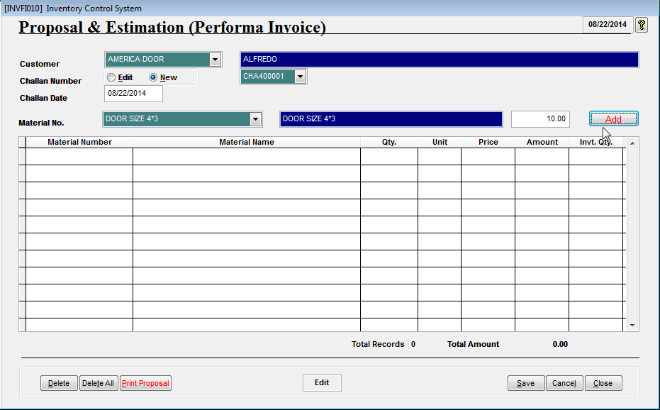
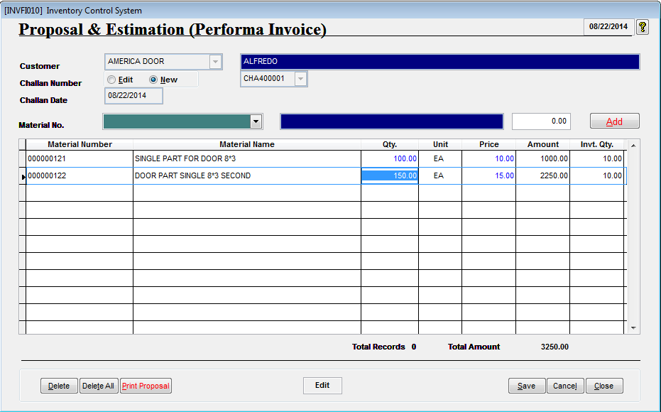

Create Proposal/Estimate.

If Material is Build Assy Material (Specified in Part Assy Master), then after selecting the Assy Material , corresponding child Materials will be shown in below Grid automatically.

After save, Print Proposal

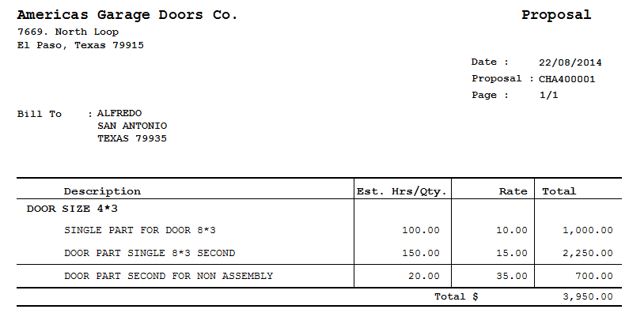

Below Two Parts are belongs to Build Assy Part DOOR SIZE 4*3
Proposal Sheet will be Displayed/Printed.

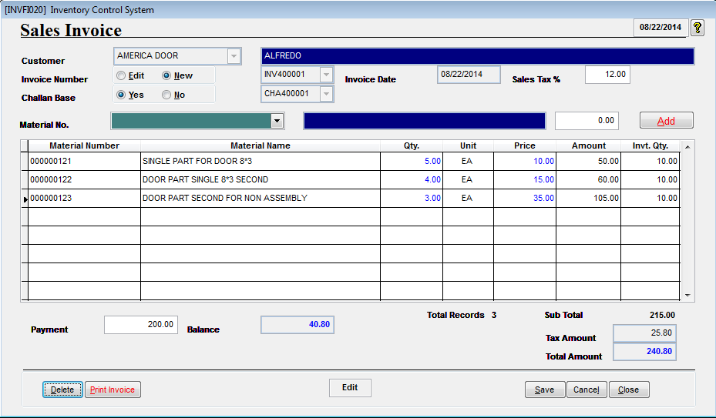

Create the Invoice against Proposal Created above..
Invoicing can also be done without creating the Proposal.

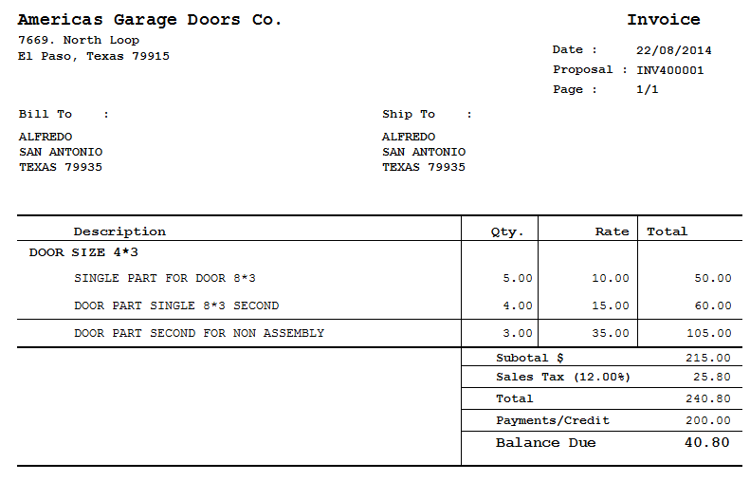
Print the Invoice.

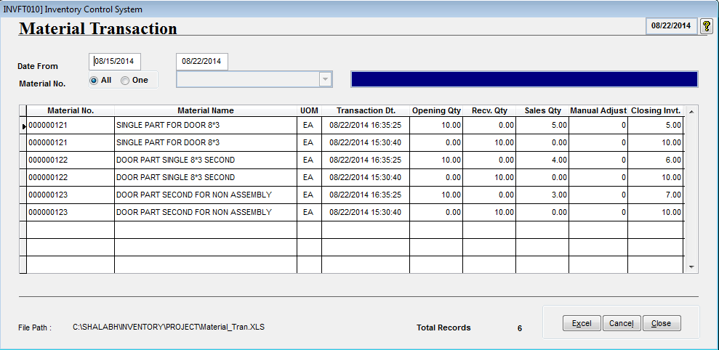
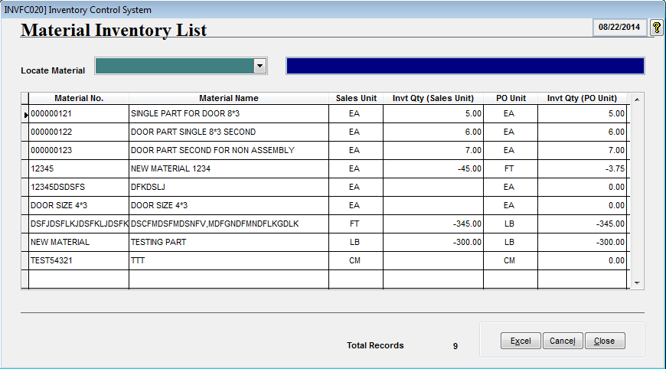

Part wise Current Inventory can also be checked using Material Inventory List program

After selling the Parts, Inventory is decreased and it can be tracked using Material Transaction screen.
It show Date and Time wise Opening Inventory, Transaction Done and Closing Inventory.

Sales Register

Using this screen, Sales done in any specifc period can be tracked.

Summary

Summary Option show the Invoices done in specific period and what was the Invoice Amount, how much is paid and how much pending.

Detailed Option show the Invoices done in specific period along with Part Details.

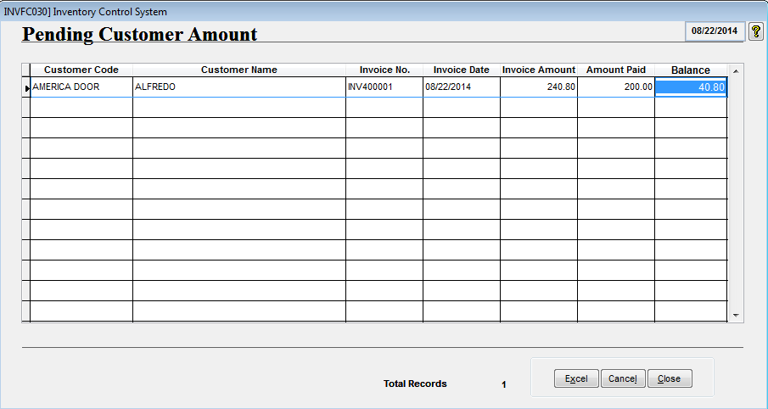

Pending Amount from Customer can be tracked using this screen.

Grid Data can be exported to Excel file.

Receive the Pending Payment

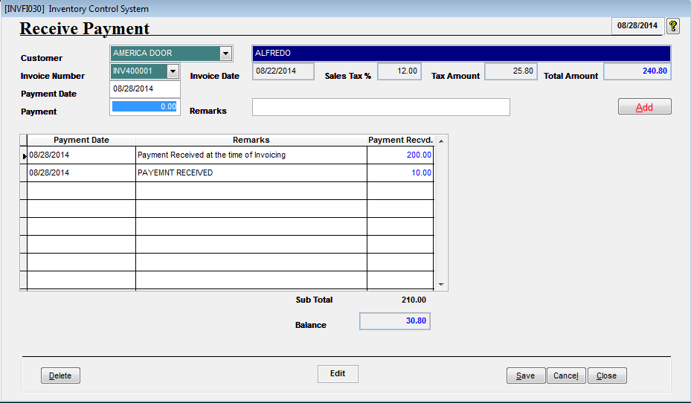

Pending Payment can be received using this screen.

Payment Collection Report

